Sheet1
Business Social Media Trends

Why business use SOCIAL MEDIA |  |  |  | more business using SOCIAL MEDIA

 | 87
 | 67
 | 97
 | 55
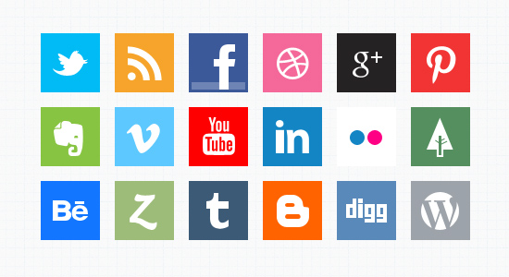
Low Cost |  |  | 87

Easy to use |  |  | 67

Customers use these channels |  |  | 97

Time efficient |  |  | 55

CHANNEL
 |  |  |  | Business report increased
 | Tool of choice
 | for small business |  |  | E F F E C T I V E N E S S
Youtube | 78
Skype | 68
 | Fall | Spring
Real | 34 | 53
Fake | 53 | 23
 | Fall | Spring
Real | 54 | 54
Fake | 65 | 76
 | Fall | Spring
Real | 65 | 98
Fake | 54 | 76

 | Skype | Youtube |  | Facebook | Twitter | Linkedin

2011 |  |  |  |  |  |  | 2011
Fall | Spring |  |  |  |  |  | Fall | Spring

Sheet2
FB | 100 |  | Real | Fake
TW | 90 | Fall | 34 | 53
SK | 98 | Spring | 53 | 23
YT | 80
LI | 87
 |  |  | Real | Fake
 |  | Fall | 54 | 65
 |  | Spring | 54 | 76

Youtube | 78 |  | Real | Fake
Skype | 68 | Fall | 65 | 54
 |  | Spring | 98 | 76

